Sheet1
RNN Implementation

 | Reference | /07.RNN_Implementation/RNN.ipynb

 | Simple RNN
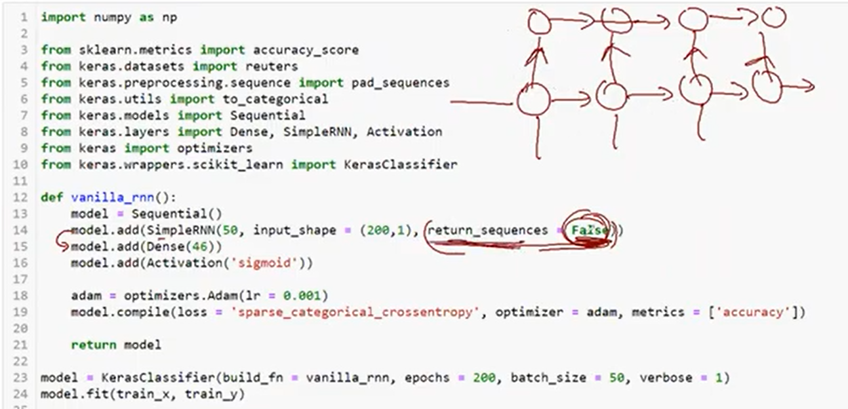
 |  |  | return_sequence = False
 |  |  |  | Non Stacked Network

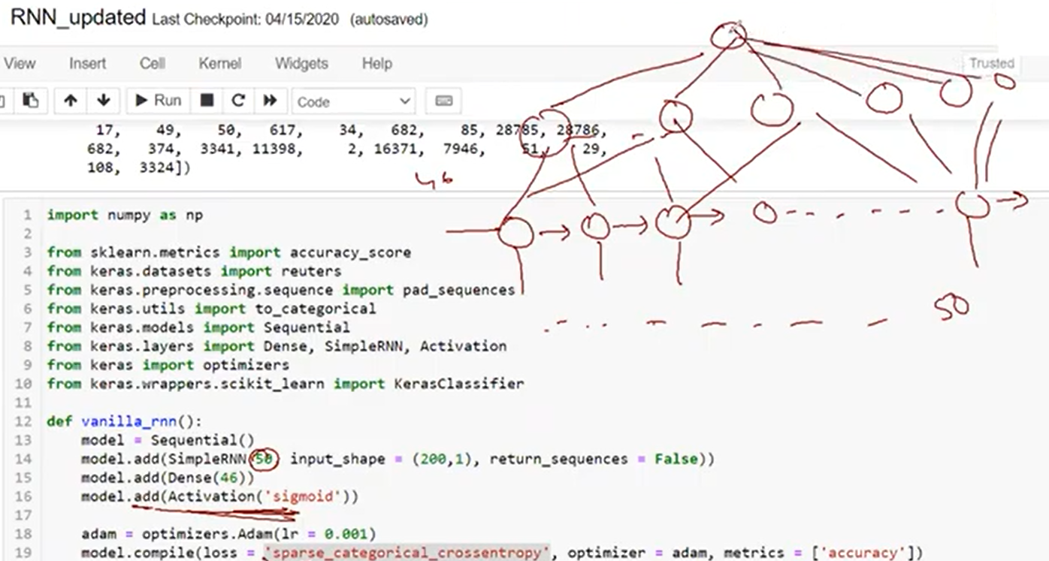
 |  |  | Sigmoid ( 0 , 1 )

 |  |  | It will allow another RNN in return_sequences=True

 | Other references
 |  | 07.RNN_Implementation/Resources/LSTM Understand_updated.ipynb
 |  | 07.RNN_Implementation/Resources/RNN_updated.ipynb
 |  | 07.RNN_Implementation/Resources

 | - RNN can write a story for us based on the input provided .
 | - Bi-directional LSTM
 |  | Refer-8
 | - Simple LSTM
 | - Main task is to prepare the data , RNN is easy
 | - Story Generation System
 | - cuDNN , LSTM , cuDNN GRU

